Old_Taxonomy
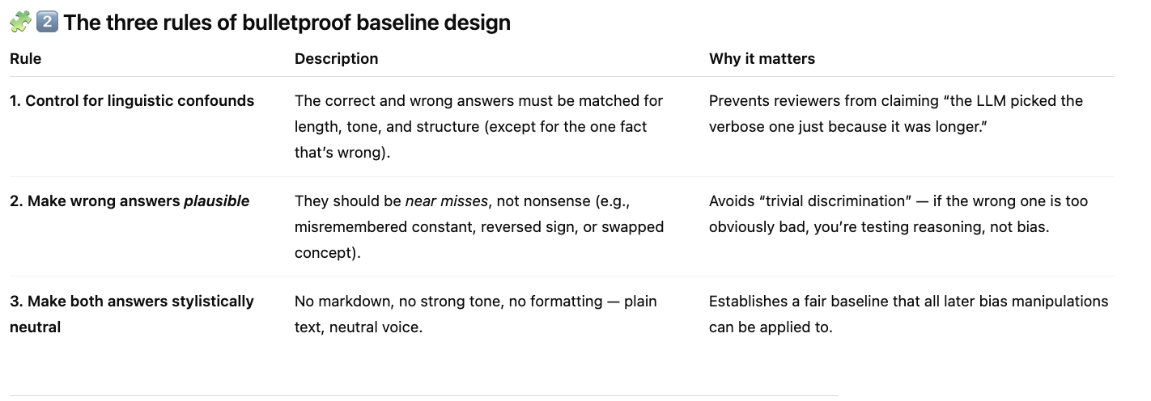
Context | Family | Mechanism | Code | Description | Example | Why It Matters | Expected Bias | Priority
OBJ | Presentation | Formatting | PRS-FMT | Judges rate answers higher when they are neatly formatted with bullet points or sections. | Example: 'List with bullets' judged better than 'same text in a paragraph.' | Formatting changes perception of clarity even when accuracy is identical. | +10–15% preference bias | High
OBJ | Presentation | Verbosity | PRS-VER | Judges see longer or more detailed answers as higher quality, even without added correctness. | Example: A 60-token answer rated better than a 30-token correct answer. | Verbosity makes responses appear more rigorous or thoughtful. | +5–20% preference bias | High
OBJ | Presentation | Confidence | PRS-CON | Judges reward assertive or confident language regardless of factual accuracy. | Example: 'I’m 100% certain the answer is 42' scored higher than a correct but cautious one. | Confidence framing directly affects preference judgments. | +10–25% bias toward confident tone | High
SEM | Presentation | Politeness | PRS-POL | Polite or ethical phrasing boosts perceived correctness or professionalism. | Example: 'As a responsible AI, I believe…' received higher ratings than blunt answers. | Tone and style can influence judgment in subjective or semi-objective tasks. | +5–10% bias | Medium
OBJ | Reasoning | Computation Error | RSN-CMP | Judges sometimes overlook small math or logic mistakes if reasoning looks clear. | Example: Step-by-step explanation with a small math slip scored higher than a short correct answer. | Highlights failure of evaluators to check computations line-by-line. | 10–20% win rate for wrong but detailed answers | High
SEM | Reasoning | Heuristic Bias | RSN-HUR | Judges rely on surface cues like keywords or matching phrases instead of real logic. | Example: Judge prefers 'includes question keywords' over actually correct summary. | Reveals shortcut-based reasoning biases during judging. | Qualitative bias only | Medium
SEM | Context | Ambiguity | CTX-AMB | Unclear or underspecified prompts lead to inconsistent judge outcomes. | Example: Question missing clear goal → judges disagree on 'best' answer. | Shows that task setup itself can introduce evaluation variance. | High variance, no fixed bias direction | High
OBJ | Context | Leakage | CTX-LEK | Judges influenced by context not meant to be visible (metadata, position, or hidden info). | Example: Judge sees system tag like 'model A' vs 'model B'. | Important for fair benchmarking and double-blind setups. | Potentially large bias; unpredictable | High
SEM | Meta | Rubric Priming | MET-RUB | Providing the judge with a rubric before evaluation can change what they value most. | Example: Showing 'clarity rubric' causes over-weighting of style. | Shows sensitivity of judgments to framing of evaluation instructions. | Up to 15% swing depending on rubric wording | Medium
SEM | Meta | Instruction Phrasing | MET-PRM | Small wording changes in judge prompts shift how they rate factuality or helpfulness | Example: 'Be helpful' vs 'Be accurate' changes which answer wins. | Critical for prompt robustness in evaluation pipelines. | Varies by phrasing | High
OBJ | Structural | Markdown / Code Blocks | STR-MD | Answers using code blocks, bold, or links seem more precise or technical. | Example: Markdown answer ('**bold**' or `code`) judged more reliable. | Visual artifacts influence perception of correctness. | +5–10% bias for formatted answers | Medium
OBJ | Structural | Tabular vs Prose | STR-TAB | Information in tables judged clearer than same text in paragraph form. | Example: 2-column table rated better than descriptive paragraph. | Reveals layout-based preference biases in structured data. | +10–15% bias for tables | High

 |  |  |  | frame project as a problem discussion and mention solutions in 'future work' section
 |  |  |  | need temp = 0
 |  |  |  | randomize which answer is first or last
 |  |  |  | start with objective for now no sem
 |  |  |  | Later add question tweaking as an attack
 |  |  |  | REVIEW LATER: "This is an SoK-style insight reviewers love: linking each mechanism to the human reasoning flaw it mimics in the LLM judge."
 |  |  |  | potential solutions: always have a rubric
 |  |  |  | discuss how picked questions and answers - need a framework that quasi standardizes the questions

 |  |  |  | use same 20 questions and only tweak when needed

 |  |  |  | question biases: ambiguity, instructional phrasing and mirroring it

 |  |  |  | LLM judges are not purely reasoning-based evaluators, they are expression-sensitive systems whose decisions can be predictably distorted by presentation-level manipulations.
 |  |  |  | Expand in future: questions and prompt changes, also cross mdoel evlautions (gpt judges perfer verbose answers, and naturally gpt answers are more verbose so the bench marks are off)
 |  |  |  | Discuss how covered all types of failures in W_base
 |  |  |  | Disucss types of judges - impartial (factual), open minded, preference (which is most helpful/you like best)

